Waste
Wate Calculations - 2 options (1) regular non-recycled waste, (2) paper waste

Table 12.1 U.S. Default Factors for Calculating CO2 Emissions from Fossil Fuel and Biomass Combustion |  |  |  |  |  |  |  | http://www.theclimateregistry.org/downloads/2012/01/2012-Climate-Registry-Default-Emissions-Factors.pdf
Fuel Type | Heat content | Carbon Content (per unit energy) | Fraction Oxidized | CO2 Emission Factor (Per unit energy) | Co2 Emissions Factor (per unit mass or vaolume)
Fossul Fuel dervied fuels (solid) | MMBty/short ton | kg C/MMBtu |  | kg CO2/mmBtu | kg Co2/short ton | kg CO2/lb | CO2 lbs
Municipal Solid Waste | 9.95 | 24.74 | 1 | 90.7 | 902.47 | 0.451235 | 0.99452194

Conversion factor
1 | short ton | = | 2000 | lbs

avg garbage bag (UK) |  | = | 15 lbs |  | source: | http://cre-msd.uwaterloo.ca/Documents/Transportation%20documents/Waste/Garbage%20collection%20-%20assessment.pdf
EPA per person per week |  | = | 29 lbs |  | source: | http://www.epa.gov/wastes/nonhaz/municipal/pubs/msw2009rpt.pdf

Option 1: Solid Waste
How much garbage (weight) do you throw out a week?
 | weight (lbs) | x | 52 weeks | x | CO2/lbs |  | lbs Co2 annually |  | mT
 | 100 |  | 52 |  | 0.99452194 | = | 5171.514088 |  | 2.3457621214

How much garbage (weight) do you throw out a month?
 | weight (lbs) | x | 12 months | x | CO2/lbs |  | lbs Co2 annually |  | mT
 | 120 |  | 12 |  | 0.99452194 |  | 1432.1115936 |  | 0.64959566438

How much garbage (weight) do you throw out a year?
 | weight (lbs) | x | CO2/lbs |  | lbs Co2 annually | mT
 | 2000 |  | 0.99452194 |  | 1989.04388 | 0.90221620052

Option 2: Paper Waste
Individual Paper

Questions:
1 | what are the weights for landfill, recylcing, combustion
2 | How do you account for make-up of paper (no coefficients for that)
3 | Current coefficients?
4 | Method of calculating

 | Domestic |  | Imported
 | Virgin Paper | Recycled Paper | Virgin Paper | Recycled Paper
CO2 | 1.22 | 145 | 0.991 | 1.19
* factors based on kg CO2 per kg copy paper
source: http://epanote2.epa.vic.gov.au/EPA/publications.nsf/2f1c2625731746aa4a256ce90001cbb5/a8a9bf6c78cd6225ca257826001028ab/$FILE/1374.pdf

Sample calculations:
Lbs of paper per year | Domestic or Import? | Virgin or recycled? | emissions factor lbs | lbs CO2 annually
100 | domestic | virgin | 1.22 | 122

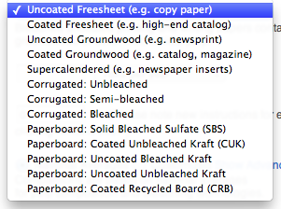
Kind of Paper:
 |  |  | Annual QTY |  | % recycled content (0 - 100)

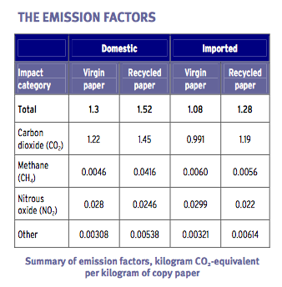
 |  |  |  |  |  |  |  |  |  |  |  | source: http://epanote2.epa.vic.gov.au/EPA/publications.nsf/2f1c2625731746aa4a256ce90001cbb5/a8a9bf6c78cd6225ca257826001028ab/$FILE/1374.pdf
http://www.epa.gov/climatechange/waste/downloads/Paper%20Products.pdf

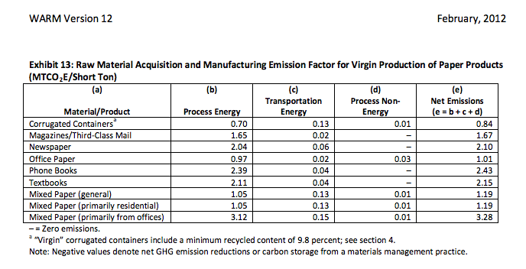

 |  |  |  |  |  |  |  |  |  | <-- virgin paper

 | 1 short ton virgin paper | x | 1.01 | MTCOe/short ton

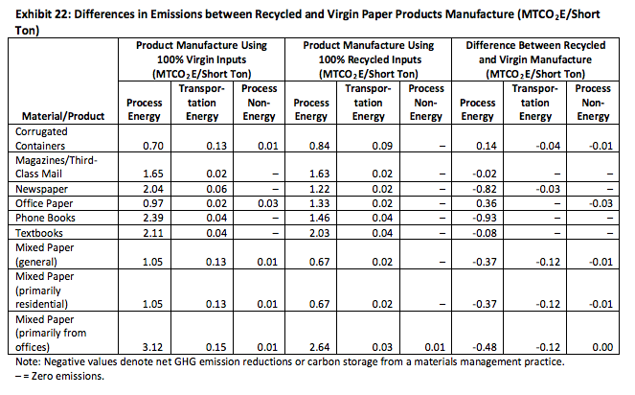

 |  |  |  |  |  |  |  |  |  |  | 100 | lbs | x | ? | = | 280
 |  |  |  |  |  |  |  |  |  |  |  |  |  | 2.8
 |  |  |  |  |  |  |  |  |  |  |  |  |  | 1.25
 |  |  |  |  |  |  |  |  |  |  | 100 lbs | 50% recycled |  | ? | = | 228
 |  |  |  |  |  |  |  |  |  |  |  |  |  | 2.28
 |  |  |  |  |  |  |  |  |  |  |  |  |  | 1.0178571429
 |  |  |  |  |  |  |  | 0.93

